References
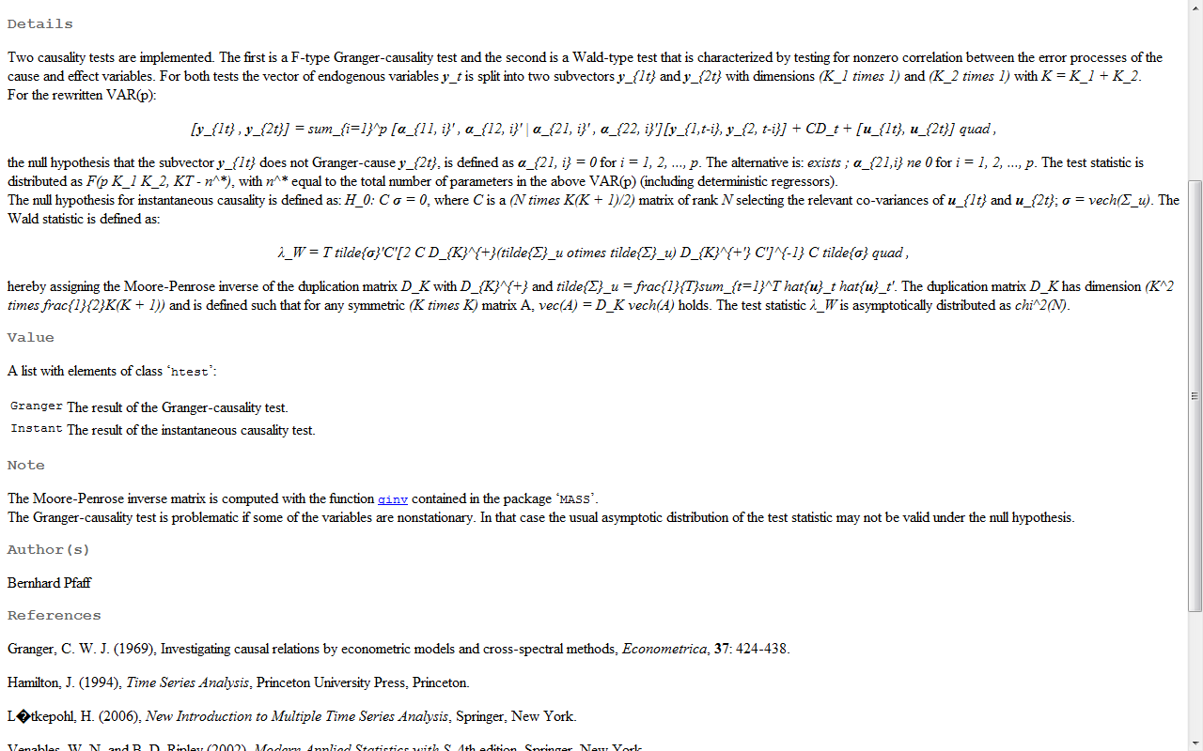
Augmented Dickey Fuller Test
URL: | http://en.wikipedia.org/wiki/Augmented_Dickey%E2%80%93Fuller_test

In statistics and econometrics, an augmented Dickey-Fuller test (ADF) is a test for a unit root in a time series sample.
The testing procedure for the ADF test is the same as for the Dickey-Fuller test but it is applied to the model:

where a is a constant, ß the coefficient on a time trend and p the lag order of the autoregressive process.

By including lags of the order p (greek for 'rho') the ADF formulation allows for higher-order autoregressive processes.
This means that the lag length p has to be determined when applying the test.

An approach is to examine information criteria such as the Akaike information criterion, |  | Bayesian information criterion or the Hannan-Quinn information criterion.

The unit root test is then carried out under the null hypothesis γ= 0 against the alternative hypothesis of γ< 0. Once a value for the test statistic

is computed it can be compared to the relevant critical value for the Dickey–Fuller Test.

Kwiatkowski-Phillips-Schmidt-Shin Test
URL: | http://fedc.wiwi.hu-berlin.de/xplore/ebooks/html/sfe/sfenode53.html
The KPSS Test from Kwiatkowski et al. (1992) tests for stationarity, i.e., for a unit root.
The regression model with a time trend has the form

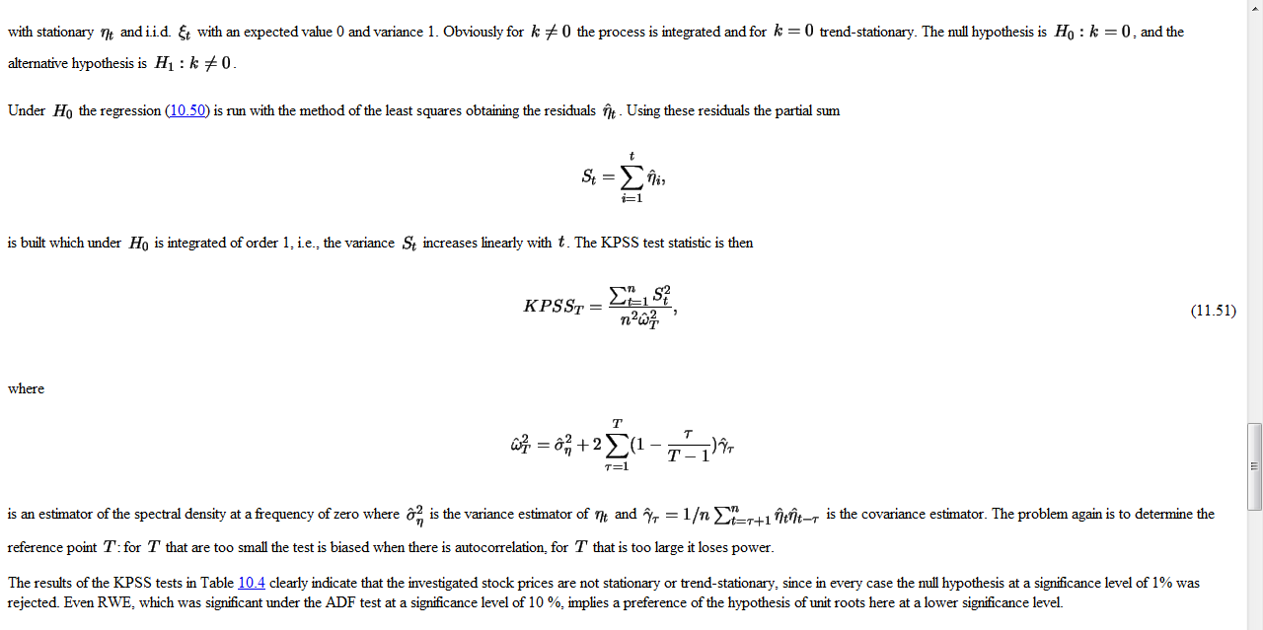

Phillips–Perron Test
URL: | http://faculty.washington.edu/ezivot/econ584/notes/unitroot.pdf

http://fedc.wiwi.hu-berlin.de/xplore/ebooks/html/sfe/sfenode53.html

Cointegration

VAR Causality test

